X05469 SST 2nd heater426,428,42
25pt TC wafer reading@ SP: 426C,428C,429C
Name: | X05469 SST 2nd heater426,428,429 Instr INSTR 4/25/2023 16:41:26
Owner: | testlab
Comments:
Acquisition Date: | 2023-04-25 16:41:26
&Instrument: | 34970A | Address: | ASRL6::INSTR | Modules: | 2 | Slot1: | 34901A | Slot2: | 34901A
Total Channels: | 1900-01-25 00:00:00
Channel | Name | Function | Range | Resolution | AdvSettings | Scale | Gain | Offset | Label | Test | Low | High | HWAlarm
101 |  | Temp (Type K) | None | C | Temp (Type K)#1#0.016#Auto#0.001#C#Internal#0#false | FALSE | 1 | 0 | C | Off | 0 | 1 | Alarm 1
102 |  | Temp (Type K) | None | C | Temp (Type K)#1#0.016#Auto#0.001#C#Internal#0#false | FALSE | 1 | 0 | C | Off | 0 | 1 | Alarm 1
103 |  | Temp (Type K) | None | C | Temp (Type K)#1#0.016#Auto#0.001#C#Internal#0#false | FALSE | 1 | 0 | C | Off | 0 | 1 | Alarm 1
104 |  | Temp (Type K) | None | C | Temp (Type K)#1#0.016#Auto#0.001#C#Internal#0#false | FALSE | 1 | 0 | C | Off | 0 | 1 | Alarm 1
105 |  | Temp (Type K) | None | C | Temp (Type K)#1#0.016#Auto#0.001#C#Internal#0#false | FALSE | 1 | 0 | C | Off | 0 | 1 | Alarm 1
106 |  | Temp (Type K) | None | C | Temp (Type K)#1#0.016#Auto#0.001#C#Internal#0#false | FALSE | 1 | 0 | C | Off | 0 | 1 | Alarm 1
107 |  | Temp (Type K) | None | C | Temp (Type K)#1#0.016#Auto#0.001#C#Internal#0#false | FALSE | 1 | 0 | C | Off | 0 | 1 | Alarm 1
108 |  | Temp (Type K) | None | C | Temp (Type K)#1#0.016#Auto#0.001#C#Internal#0#false | FALSE | 1 | 0 | C | Off | 0 | 1 | Alarm 1
109 |  | Temp (Type K) | None | C | Temp (Type K)#1#0.016#Auto#0.001#C#Internal#0#false | FALSE | 1 | 0 | C | Off | 0 | 1 | Alarm 1
110 |  | Temp (Type K) | None | C | Temp (Type K)#1#0.016#Auto#0.001#C#Internal#0#false | FALSE | 1 | 0 | C | Off | 0 | 1 | Alarm 1
111 |  | Temp (Type K) | None | C | Temp (Type K)#1#0.016#Auto#0.001#C#Internal#0#false | FALSE | 1 | 0 | C | Off | 0 | 1 | Alarm 1
112 |  | Temp (Type K) | None | C | Temp (Type K)#1#0.016#Auto#0.001#C#Internal#0#false | FALSE | 1 | 0 | C | Off | 0 | 1 | Alarm 1
113 |  | Temp (Type K) | None | C | Temp (Type K)#1#0.016#Auto#0.001#C#Internal#0#false | FALSE | 1 | 0 | C | Off | 0 | 1 | Alarm 1
201 |  | Temp (Type K) | None | C | Temp (Type K)#1#0.016#Auto#0.001#C#Internal#0#false | FALSE | 1 | 0 | C | Off | 0 | 1 | Alarm 1
202 |  | Temp (Type K) | None | C | Temp (Type K)#1#0.016#Auto#0.001#C#Internal#0#false | FALSE | 1 | 0 | C | Off | 0 | 1 | Alarm 1
203 |  | Temp (Type K) | None | C | Temp (Type K)#1#0.016#Auto#0.001#C#Internal#0#false | FALSE | 1 | 0 | C | Off | 0 | 1 | Alarm 1
204 |  | Temp (Type K) | None | C | Temp (Type K)#1#0.016#Auto#0.001#C#Internal#0#false | FALSE | 1 | 0 | C | Off | 0 | 1 | Alarm 1
205 |  | Temp (Type K) | None | C | Temp (Type K)#1#0.016#Auto#0.001#C#Internal#0#false | FALSE | 1 | 0 | C | Off | 0 | 1 | Alarm 1
206 |  | Temp (Type K) | None | C | Temp (Type K)#1#0.016#Auto#0.001#C#Internal#0#false | FALSE | 1 | 0 | C | Off | 0 | 1 | Alarm 1
207 |  | Temp (Type K) | None | C | Temp (Type K)#1#0.016#Auto#0.001#C#Internal#0#false | FALSE | 1 | 0 | C | Off | 0 | 1 | Alarm 1
208 |  | Temp (Type K) | None | C | Temp (Type K)#1#0.016#Auto#0.001#C#Internal#0#false | FALSE | 1 | 0 | C | Off | 0 | 1 | Alarm 1
209 |  | Temp (Type K) | None | C | Temp (Type K)#1#0.016#Auto#0.001#C#Internal#0#false | FALSE | 1 | 0 | C | Off | 0 | 1 | Alarm 1
210 |  | Temp (Type K) | None | C | Temp (Type K)#1#0.016#Auto#0.001#C#Internal#0#false | FALSE | 1 | 0 | C | Off | 0 | 1 | Alarm 1
211 |  | Temp (Type K) | None | C | Temp (Type K)#1#0.016#Auto#0.001#C#Internal#0#false | FALSE | 1 | 0 | C | Off | 0 | 1 | Alarm 1
212 |  | Temp (Type K) | None | C | Temp (Type K)#1#0.016#Auto#0.001#C#Internal#0#false | FALSE | 1 | 0 | C | Off | 0 | 1 | Alarm 1
Scan Control: | Start Action: | Immediately | Stop Action: | After 600 Seconds
Scan | Time | 101 (C) | 102 (C) | 103 (C) | 104 (C) | 105 (C) | 106 (C) | 107 (C) | 108 (C) | 109 (C) | 110 (C) | 111 (C) | 112 (C) | 113 (C) | 201 (C) | 202 (C) | 203 (C) | 204 (C) | 205 (C) | 206 (C) | 207 (C) | 208 (C) | 209 (C) | 210 (C) | 211 (C) | 212 (C) | TC | Average Temperature | TC | Average Temperature
1 | 4/25/2023 16:41:26:821 | 403.68 | 402.804 | 403.087 | 403.199 | 400.78 | 403.686 | 402.909 | 401.489 | 401.823 | 401.929 | 401.851 | 400.727 | 400.914 | 403.475 | 403.779 | 403.313 | 402.206 | 402.622 | 403.341 | 401.585 | 403.21 | 402.346 | 402.532 | 402.396 | 401.901 | 1 | 403.72 | 1 | 403.72
2 | 4/25/2023 16:41:36:805 | 403.761 | 402.864 | 403.147 | 403.263 | 400.819 | 403.726 | 402.955 | 401.528 | 401.846 | 401.973 | 401.865 | 400.775 | 400.941 | 403.493 | 403.764 | 403.337 | 402.197 | 402.612 | 403.319 | 401.594 | 403.213 | 402.331 | 402.541 | 402.384 | 401.898 | 3 | 402.84 | 2 | 403.48
3 | 4/25/2023 16:41:46:805 | 403.77 | 402.846 | 403.141 | 403.26 | 400.816 | 403.717 | 402.931 | 401.525 | 401.862 | 401.952 | 401.877 | 400.766 | 400.953 | 403.512 | 403.794 | 403.325 | 402.188 | 402.612 | 403.313 | 401.594 | 403.203 | 402.349 | 402.544 | 402.387 | 401.892 | 4 | 403.09 | 3 | 402.84
4 | 4/25/2023 16:41:56:805 | 403.758 | 402.88 | 403.153 | 403.266 | 400.81 | 403.739 | 402.937 | 401.528 | 401.874 | 401.955 | 401.889 | 400.763 | 400.959 | 403.497 | 403.794 | 403.325 | 402.197 | 402.637 | 403.331 | 401.573 | 403.225 | 402.331 | 402.532 | 402.399 | 401.886 | 6 | 403.22 | 4 | 403.09
5 | 4/25/2023 16:42:06:805 | 403.761 | 402.871 | 403.15 | 403.248 | 400.819 | 403.72 | 402.937 | 401.528 | 401.859 | 401.967 | 401.889 | 400.763 | 400.95 | 403.481 | 403.764 | 403.322 | 402.209 | 402.625 | 403.338 | 401.582 | 403.213 | 402.358 | 402.523 | 402.396 | 401.919 | 7 | 400.78 | 5 | 403.74
6 | 4/25/2023 16:42:16:805 | 403.77 | 402.871 | 403.153 | 403.257 | 400.831 | 403.723 | 402.934 | 401.528 | 401.843 | 401.958 | 401.892 | 400.769 | 400.931 | 403.497 | 403.776 | 403.334 | 402.209 | 402.612 | 403.341 | 401.606 | 403.207 | 402.343 | 402.529 | 402.39 | 401.898 | 8 | 403.71 | 6 | 403.22
7 | 4/25/2023 16:42:26:805 | 403.767 | 402.858 | 403.163 | 403.282 | 400.819 | 403.729 | 402.946 | 401.531 | 401.868 | 401.964 | 401.889 | 400.754 | 400.938 | 403.487 | 403.748 | 403.331 | 402.194 | 402.597 | 403.325 | 401.606 | 403.21 | 402.346 | 402.535 | 402.399 | 401.91 | 9 | 402.93 | 7 | 400.78
8 | 4/25/2023 16:42:36:805 | 403.773 | 402.867 | 403.153 | 403.26 | 400.819 | 403.745 | 402.965 | 401.54 | 401.846 | 401.955 | 401.886 | 400.769 | 400.941 | 403.5 | 403.761 | 403.325 | 402.191 | 402.603 | 403.325 | 401.591 | 403.228 | 402.352 | 402.544 | 402.406 | 401.907 | 14 | 401.52 | 8 | 403.71
9 | 4/25/2023 16:42:46:805 | 403.77 | 402.846 | 403.132 | 403.276 | 400.822 | 403.732 | 402.937 | 401.537 | 401.862 | 401.955 | 401.892 | 400.754 | 400.938 | 403.49 | 403.767 | 403.322 | 402.2 | 402.625 | 403.344 | 401.6 | 403.222 | 402.346 | 402.532 | 402.387 | 401.895 | 15 | 401.84 | 9 | 402.93
10 | 4/25/2023 16:42:56:805 | 403.761 | 402.867 | 403.147 | 403.242 | 400.804 | 403.726 | 402.928 | 401.522 | 401.868 | 401.952 | 401.889 | 400.742 | 400.95 | 403.487 | 403.764 | 403.301 | 402.188 | 402.618 | 403.347 | 401.609 | 403.219 | 402.34 | 402.526 | 402.372 | 401.892 | 16 | 401.98 | 10 | 403.32
11 | 4/25/2023 16:43:06:805 | 403.749 | 402.861 | 403.138 | 403.251 | 400.834 | 403.726 | 402.949 | 401.522 | 401.865 | 401.961 | 401.892 | 400.763 | 400.919 | 403.475 | 403.761 | 403.295 | 402.188 | 402.618 | 403.353 | 401.594 | 403.222 | 402.325 | 402.532 | 402.375 | 401.886 | 19 | 401.88 | 11 | 402.16
12 | 4/25/2023 16:43:16:805 | 403.755 | 402.837 | 403.138 | 403.26 | 400.816 | 403.729 | 402.94 | 401.556 | 401.856 | 401.933 | 401.898 | 400.754 | 400.931 | 403.46 | 403.745 | 403.316 | 402.185 | 402.622 | 403.356 | 401.616 | 403.231 | 402.337 | 402.535 | 402.378 | 401.898 | 21 | 400.76 | 12 | 402.61
13 | 4/25/2023 16:43:26:805 | 403.758 | 402.852 | 403.138 | 403.26 | 400.834 | 403.739 | 402.94 | 401.546 | 401.868 | 401.958 | 401.892 | 400.739 | 400.938 | 403.441 | 403.761 | 403.301 | 402.167 | 402.634 | 403.328 | 401.6 | 403.21 | 402.322 | 402.55 | 402.378 | 401.895 | 24 | 400.97 | 13 | 403.34
14 | 4/25/2023 16:43:36:805 | 403.749 | 402.855 | 403.163 | 403.257 | 400.813 | 403.729 | 402.934 | 401.546 | 401.849 | 401.955 | 401.88 | 400.745 | 400.941 | 403.432 | 403.764 | 403.295 | 402.182 | 402.64 | 403.344 | 401.6 | 403.219 | 402.331 | 402.535 | 402.357 | 401.892 | 2 | 403.48 | 14 | 401.52
15 | 4/25/2023 16:43:46:805 | 403.749 | 402.846 | 403.153 | 403.26 | 400.84 | 403.732 | 402.952 | 401.54 | 401.868 | 401.952 | 401.889 | 400.763 | 400.925 | 403.441 | 403.745 | 403.307 | 402.176 | 402.625 | 403.344 | 401.597 | 403.225 | 402.352 | 402.544 | 402.387 | 401.919 | 5 | 403.74 | 15 | 401.84
16 | 4/25/2023 16:43:56:805 | 403.755 | 402.852 | 403.156 | 403.266 | 400.822 | 403.742 | 402.949 | 401.528 | 401.88 | 401.949 | 401.908 | 400.754 | 400.935 | 403.46 | 403.745 | 403.319 | 402.185 | 402.628 | 403.338 | 401.606 | 403.24 | 402.334 | 402.538 | 402.381 | 401.892 | 10 | 403.32 | 16 | 401.98
17 | 4/25/2023 16:44:06:805 | 403.764 | 402.864 | 403.129 | 403.263 | 400.831 | 403.739 | 402.955 | 401.522 | 401.868 | 401.946 | 401.88 | 400.766 | 400.913 | 403.444 | 403.754 | 403.313 | 402.173 | 402.628 | 403.325 | 401.6 | 403.225 | 402.346 | 402.511 | 402.39 | 401.889 | 11 | 402.16 | 17 | 401.60
18 | 4/25/2023 16:44:16:805 | 403.701 | 402.815 | 403.118 | 403.242 | 400.83 | 403.742 | 402.942 | 401.542 | 401.874 | 401.971 | 401.911 | 400.782 | 400.975 | 403.466 | 403.757 | 403.297 | 402.183 | 402.641 | 403.357 | 401.605 | 403.213 | 402.348 | 402.551 | 402.4 | 401.902 | 12 | 402.61 | 18 | 403.20
19 | 4/25/2023 16:44:26:805 | 403.696 | 402.811 | 403.108 | 403.229 | 400.817 | 403.732 | 402.954 | 401.561 | 401.868 | 401.977 | 401.93 | 400.801 | 400.975 | 403.487 | 403.775 | 403.327 | 402.198 | 402.646 | 403.362 | 401.621 | 403.215 | 402.336 | 402.534 | 402.392 | 401.908 | 13 | 403.34 | 19 | 401.88
20 | 4/25/2023 16:44:36:805 | 403.725 | 402.831 | 403.099 | 403.229 | 400.824 | 403.751 | 402.963 | 401.539 | 401.88 | 401.958 | 401.911 | 400.772 | 400.984 | 403.466 | 403.747 | 403.303 | 402.174 | 402.632 | 403.351 | 401.617 | 403.226 | 402.348 | 402.53 | 402.388 | 401.911 | 17 | 401.60 | 20 | 402.32
21 | 4/25/2023 16:44:46:805 | 403.699 | 402.808 | 403.08 | 403.202 | 400.82 | 403.745 | 402.948 | 401.561 | 401.878 | 401.965 | 401.924 | 400.785 | 400.957 | 403.52 | 403.791 | 403.352 | 402.21 | 402.664 | 403.36 | 401.603 | 403.224 | 402.351 | 402.536 | 402.407 | 401.897 | 18 | 403.20 | 21 | 400.76
22 | 4/25/2023 16:44:56:805 | 403.681 | 402.805 | 403.086 | 403.205 | 400.811 | 403.72 | 402.938 | 401.537 | 401.868 | 401.974 | 401.909 | 400.761 | 400.978 | 403.518 | 403.814 | 403.374 | 402.237 | 402.66 | 403.372 | 401.661 | 403.257 | 402.323 | 402.554 | 402.409 | 401.893 | 20 | 402.32 | 22 | 402.51
23 | 4/25/2023 16:45:06:805 | 403.676 | 402.795 | 403.07 | 403.189 | 400.792 | 403.726 | 402.935 | 401.528 | 401.853 | 401.981 | 401.906 | 400.781 | 400.971 | 403.517 | 403.78 | 403.36 | 402.218 | 402.658 | 403.389 | 401.666 | 403.251 | 402.369 | 402.561 | 402.422 | 401.926 | 22 | 402.51 | 23 | 402.40
24 | 4/25/2023 16:45:16:805 | 403.664 | 402.773 | 403.086 | 403.198 | 400.783 | 403.72 | 402.942 | 401.534 | 401.847 | 401.957 | 401.891 | 400.768 | 400.977 | 403.506 | 403.76 | 403.343 | 402.212 | 402.67 | 403.401 | 401.633 | 403.254 | 402.357 | 402.558 | 402.428 | 401.927 | 23 | 402.40 | 24 | 400.97
25 | 4/25/2023 16:45:26:805 | 403.649 | 402.795 | 403.067 | 403.198 | 400.771 | 403.702 | 402.932 | 401.531 | 401.835 | 401.969 | 401.888 | 400.762 | 400.961 | 403.489 | 403.754 | 403.349 | 402.199 | 402.654 | 403.376 | 401.651 | 403.242 | 402.361 | 402.531 | 402.438 | 401.937 | 25 | 401.91 | 25 | 401.91
26 | 4/25/2023 16:45:36:805 | 403.673 | 402.795 | 403.058 | 403.189 | 400.792 | 403.693 | 402.914 | 401.537 | 401.838 | 401.96 | 401.903 | 400.747 | 400.971 | 403.496 | 403.769 | 403.34 | 402.199 | 402.654 | 403.383 | 401.639 | 403.227 | 402.336 | 402.556 | 402.426 | 401.937 | Max Temp | 403.74 | Max Temp | 403.74
27 | 4/25/2023 16:45:46:805 | 403.667 | 402.788 | 403.069 | 403.197 | 400.757 | 403.7 | 402.934 | 401.529 | 401.848 | 401.967 | 401.88 | 400.75 | 400.974 | 403.489 | 403.763 | 403.333 | 402.187 | 402.639 | 403.355 | 401.642 | 403.221 | 402.345 | 402.522 | 402.432 | 401.937 | Min Temp | 400.76 | Min Temp | 400.76
28 | 4/25/2023 16:45:56:805 | 403.7 | 402.832 | 403.091 | 403.221 | 400.789 | 403.714 | 402.934 | 401.538 | 401.85 | 401.978 | 401.888 | 400.757 | 400.975 | 403.489 | 403.735 | 403.346 | 402.193 | 402.636 | 403.355 | 401.642 | 403.224 | 402.345 | 402.556 | 402.435 | 401.94 | Uniformity | 2.98 | Uniformity | 2.98
29 | 4/25/2023 16:46:06:805 | 403.763 | 402.863 | 403.122 | 403.241 | 400.821 | 403.731 | 402.97 | 401.561 | 401.873 | 402.006 | 401.894 | 400.777 | 400.982 | 403.496 | 403.763 | 403.336 | 402.178 | 402.627 | 403.355 | 401.633 | 403.23 | 402.336 | 402.537 | 402.423 | 401.937
30 | 4/25/2023 16:46:16:805 | 403.736 | 402.84 | 403.093 | 403.216 | 400.787 | 403.713 | 402.939 | 401.534 | 401.84 | 401.983 | 401.887 | 400.767 | 400.973 | 403.505 | 403.75 | 403.33 | 402.169 | 402.63 | 403.352 | 401.624 | 403.205 | 402.327 | 402.522 | 402.429 | 401.912
31 | 4/25/2023 16:46:26:805 | 403.754 | 402.864 | 403.101 | 403.22 | 400.804 | 403.721 | 402.95 | 401.542 | 401.841 | 401.974 | 401.9 | 400.762 | 400.976 | 403.493 | 403.735 | 403.333 | 402.153 | 402.624 | 403.315 | 401.615 | 403.202 | 402.321 | 402.504 | 402.411 | 401.93
32 | 4/25/2023 16:46:36:805 | 403.751 | 402.861 | 403.095 | 403.23 | 400.813 | 403.721 | 402.956 | 401.535 | 401.844 | 401.984 | 401.872 | 400.741 | 400.982 | 403.493 | 403.717 | 403.306 | 402.163 | 402.608 | 403.355 | 401.618 | 403.212 | 402.312 | 402.497 | 402.42 | 401.921
33 | 4/25/2023 16:46:46:805 | 403.757 | 402.86 | 403.106 | 403.235 | 400.793 | 403.719 | 402.945 | 401.533 | 401.845 | 401.997 | 401.891 | 400.753 | 400.982 | 403.489 | 403.732 | 403.324 | 402.153 | 402.608 | 403.34 | 401.578 | 403.196 | 402.308 | 402.504 | 402.414 | 401.93
34 | 4/25/2023 16:46:56:805 | 403.76 | 402.872 | 403.106 | 403.232 | 400.796 | 403.725 | 402.948 | 401.53 | 401.845 | 401.997 | 401.894 | 400.747 | 400.982 | 403.483 | 403.729 | 403.309 | 402.141 | 402.614 | 403.343 | 401.605 | 403.209 | 402.305 | 402.519 | 402.42 | 401.912
35 | 4/25/2023 16:47:06:805 | 403.769 | 402.866 | 403.134 | 403.235 | 400.787 | 403.713 | 402.945 | 401.536 | 401.848 | 402.003 | 401.885 | 400.744 | 400.992 | 403.486 | 403.705 | 403.33 | 402.153 | 402.614 | 403.33 | 401.602 | 403.196 | 402.305 | 402.497 | 402.423 | 401.915
36 | 4/25/2023 16:47:16:805 | 403.757 | 402.879 | 403.1 | 403.21 | 400.799 | 403.704 | 402.951 | 401.545 | 401.83 | 402.003 | 401.894 | 400.762 | 400.986 | 403.465 | 403.723 | 403.312 | 402.138 | 402.602 | 403.367 | 401.569 | 403.187 | 402.299 | 402.497 | 402.414 | 401.921
37 | 4/25/2023 16:47:26:805 | 403.763 | 402.879 | 403.088 | 403.216 | 400.787 | 403.701 | 402.927 | 401.521 | 401.839 | 402.006 | 401.861 | 400.75 | 401.001 | 403.474 | 403.717 | 403.294 | 402.101 | 402.602 | 403.321 | 401.575 | 403.199 | 402.318 | 402.488 | 402.423 | 401.927
38 | 4/25/2023 16:47:36:805 | 403.766 | 402.863 | 403.097 | 403.223 | 400.775 | 403.713 | 402.945 | 401.515 | 401.815 | 401.994 | 401.873 | 400.737 | 400.992 | 403.456 | 403.708 | 403.324 | 402.12 | 402.59 | 403.358 | 401.569 | 403.181 | 402.296 | 402.485 | 402.402 | 401.912
39 | 4/25/2023 16:47:46:805 | 403.766 | 402.866 | 403.094 | 403.219 | 400.757 | 403.716 | 402.936 | 401.512 | 401.824 | 401.997 | 401.854 | 400.713 | 400.986 | 403.462 | 403.695 | 403.315 | 402.12 | 402.59 | 403.324 | 401.581 | 403.193 | 402.281 | 402.461 | 402.398 | 401.912
40 | 4/25/2023 16:47:56:805 | 403.751 | 402.866 | 403.082 | 403.219 | 400.781 | 403.695 | 402.945 | 401.533 | 401.821 | 401.978 | 401.861 | 400.734 | 400.964 | 403.462 | 403.723 | 403.312 | 402.11 | 402.575 | 403.306 | 401.563 | 403.144 | 402.296 | 402.47 | 402.38 | 401.9
41 | 4/25/2023 16:48:06:805 | 403.745 | 402.879 | 403.082 | 403.216 | 400.784 | 403.707 | 402.921 | 401.515 | 401.809 | 401.981 | 401.876 | 400.737 | 400.989 | 403.45 | 403.689 | 403.306 | 402.104 | 402.593 | 403.3 | 401.556 | 403.166 | 402.296 | 402.436 | 402.405 | 401.918
42 | 4/25/2023 16:48:16:805 | 403.763 | 402.876 | 403.088 | 403.223 | 400.76 | 403.698 | 402.893 | 401.509 | 401.803 | 401.981 | 401.851 | 400.731 | 400.973 | 403.447 | 403.686 | 403.3 | 402.104 | 402.565 | 403.309 | 401.584 | 403.16 | 402.272 | 402.467 | 402.405 | 401.921
43 | 4/25/2023 16:48:26:805 | 403.731 | 402.853 | 403.078 | 403.207 | 400.757 | 403.695 | 402.924 | 401.522 | 401.806 | 401.979 | 401.846 | 400.736 | 400.981 | 403.444 | 403.686 | 403.294 | 402.098 | 402.578 | 403.303 | 401.556 | 403.15 | 402.278 | 402.479 | 402.38 | 401.903
44 | 4/25/2023 16:48:36:805 | 403.714 | 402.843 | 403.062 | 403.216 | 400.759 | 403.685 | 402.918 | 401.509 | 401.819 | 401.974 | 401.871 | 400.749 | 400.988 | 403.444 | 403.705 | 403.29 | 402.089 | 402.559 | 403.284 | 401.559 | 403.144 | 402.275 | 402.461 | 402.389 | 401.906
45 | 4/25/2023 16:48:46:805 | 403.687 | 402.813 | 403.051 | 403.199 | 400.755 | 403.673 | 402.915 | 401.501 | 401.822 | 402.005 | 401.854 | 400.757 | 400.987 | 403.454 | 403.703 | 403.292 | 402.103 | 402.57 | 403.295 | 401.558 | 403.164 | 402.298 | 402.477 | 402.403 | 401.898
46 | 4/25/2023 16:48:56:805 | 403.69 | 402.817 | 403.04 | 403.198 | 400.746 | 403.673 | 402.922 | 401.517 | 401.818 | 402.003 | 401.879 | 400.787 | 401.001 | 403.457 | 403.69 | 403.322 | 402.121 | 402.585 | 403.319 | 401.576 | 403.158 | 402.303 | 402.483 | 402.409 | 401.913
47 | 4/25/2023 16:49:06:805 | 403.686 | 402.82 | 403.049 | 403.191 | 400.724 | 403.676 | 402.913 | 401.514 | 401.824 | 402.01 | 401.865 | 400.772 | 400.996 | 403.493 | 403.727 | 403.343 | 402.151 | 402.609 | 403.346 | 401.597 | 403.191 | 402.346 | 402.498 | 402.442 | 401.946
48 | 4/25/2023 16:49:16:805 | 403.674 | 402.82 | 403.024 | 403.17 | 400.73 | 403.658 | 402.885 | 401.511 | 401.818 | 401.995 | 401.874 | 400.766 | 401.008 | 403.498 | 403.724 | 403.353 | 402.142 | 402.588 | 403.349 | 401.6 | 403.187 | 402.318 | 402.497 | 402.447 | 401.94
49 | 4/25/2023 16:49:26:805 | 403.675 | 402.818 | 403.008 | 403.175 | 400.745 | 403.664 | 402.919 | 401.508 | 401.806 | 402.005 | 401.875 | 400.78 | 401.018 | 403.498 | 403.743 | 403.342 | 402.146 | 402.616 | 403.342 | 401.586 | 403.198 | 402.329 | 402.506 | 402.446 | 401.954
50 | 4/25/2023 16:49:36:805 | 403.675 | 402.812 | 403.008 | 403.185 | 400.724 | 403.652 | 402.913 | 401.484 | 401.803 | 401.989 | 401.856 | 400.752 | 401.006 | 403.51 | 403.737 | 403.335 | 402.128 | 402.62 | 403.326 | 401.601 | 403.171 | 402.344 | 402.499 | 402.428 | 401.948
51 | 4/25/2023 16:49:46:805 | 403.666 | 402.815 | 403.002 | 403.172 | 400.727 | 403.646 | 402.891 | 401.505 | 401.8 | 401.995 | 401.859 | 400.767 | 400.985 | 403.498 | 403.737 | 403.329 | 402.131 | 402.616 | 403.329 | 401.592 | 403.192 | 402.332 | 402.503 | 402.428 | 401.933
52 | 4/25/2023 16:49:56:805 | 403.648 | 402.8 | 402.99 | 403.157 | 400.699 | 403.667 | 402.895 | 401.481 | 401.806 | 401.98 | 401.856 | 400.758 | 401 | 403.482 | 403.725 | 403.338 | 402.137 | 402.607 | 403.326 | 401.589 | 403.189 | 402.301 | 402.484 | 402.44 | 401.933
53 | 4/25/2023 16:50:06:805 | 403.648 | 402.803 | 403.002 | 403.157 | 400.705 | 403.655 | 402.87 | 401.493 | 401.806 | 401.983 | 401.844 | 400.755 | 400.994 | 403.495 | 403.719 | 403.326 | 402.119 | 402.595 | 403.32 | 401.58 | 403.18 | 402.304 | 402.472 | 402.416 | 401.933
54 | 4/25/2023 16:50:16:805 | 403.675 | 402.792 | 403.018 | 403.185 | 400.718 | 403.667 | 402.904 | 401.486 | 401.796 | 402 | 401.852 | 400.747 | 400.995 | 403.479 | 403.704 | 403.326 | 402.113 | 402.601 | 403.332 | 401.595 | 403.174 | 402.317 | 402.496 | 402.41 | 401.917
55 | 4/25/2023 16:50:26:805 | 403.683 | 402.816 | 403.023 | 403.195 | 400.73 | 403.673 | 402.927 | 401.494 | 401.8 | 401.977 | 401.856 | 400.735 | 400.995 | 403.482 | 403.716 | 403.308 | 402.116 | 402.595 | 403.348 | 401.592 | 403.165 | 402.277 | 402.466 | 402.397 | 401.923
56 | 4/25/2023 16:50:36:805 | 403.707 | 402.854 | 403.058 | 403.218 | 400.74 | 403.679 | 402.917 | 401.508 | 401.812 | 401.991 | 401.861 | 400.739 | 400.981 | 403.464 | 403.688 | 403.299 | 402.106 | 402.586 | 403.317 | 401.565 | 403.171 | 402.298 | 402.475 | 402.394 | 401.92
57 | 4/25/2023 16:50:46:805 | 403.719 | 402.878 | 403.069 | 403.203 | 400.774 | 403.691 | 402.932 | 401.529 | 401.823 | 401.986 | 401.86 | 400.749 | 400.991 | 403.476 | 403.7 | 403.296 | 402.103 | 402.577 | 403.299 | 401.574 | 403.159 | 402.292 | 402.481 | 402.385 | 401.877
58 | 4/25/2023 16:50:56:805 | 403.722 | 402.851 | 403.051 | 403.207 | 400.757 | 403.695 | 402.903 | 401.516 | 401.803 | 401.967 | 401.862 | 400.739 | 400.963 | 403.43 | 403.688 | 403.286 | 402.1 | 402.592 | 403.32 | 401.586 | 403.174 | 402.292 | 402.463 | 402.394 | 401.902
59 | 4/25/2023 16:51:06:805 | 403.716 | 402.859 | 403.062 | 403.212 | 400.777 | 403.694 | 402.92 | 401.508 | 401.808 | 401.977 | 401.878 | 400.73 | 400.975 | 403.433 | 403.673 | 403.286 | 402.082 | 402.58 | 403.311 | 401.568 | 403.152 | 402.295 | 402.45 | 402.388 | 401.89
60 | 4/25/2023 16:51:16:805 | 403.725 | 402.865 | 403.062 | 403.194 | 400.762 | 403.684 | 402.932 | 401.508 | 401.795 | 401.974 | 401.847 | 400.727 | 400.966 | 403.458 | 403.67 | 403.28 | 402.085 | 402.567 | 403.253 | 401.568 | 403.128 | 402.28 | 402.457 | 402.397 | 401.899

TC_number_location
TC number | x | y
1 | 0 | 30
2 | 0 | 90
3 | 0 | 140
4 | 30 | 0
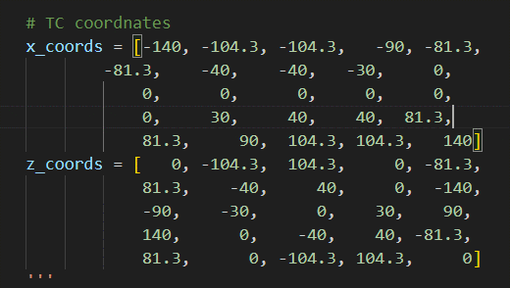
5 | 40 | -40
6 | 40 | 40
7 | 81.3 | -81.3
8 | 81.3 | 81.3
9 | 90 | 0
10 | 104.3 | -104.3
11 | 104.3 | 104.3
12 | 140 | 0
13 | 0 | 0
14 | -140 | 0
15 | -104.3 | -104.3
16 | -104.3 | 104.3
17 | -90 | 0
18 | -81.3 | -81.3
19 | -81.3 | 81.3
20 | -40 | -40
21 | -40 | 40
22 | -30 | 0
23 | 0 | -140
24 | 0 | -90
25 | 0 | -30

average 5
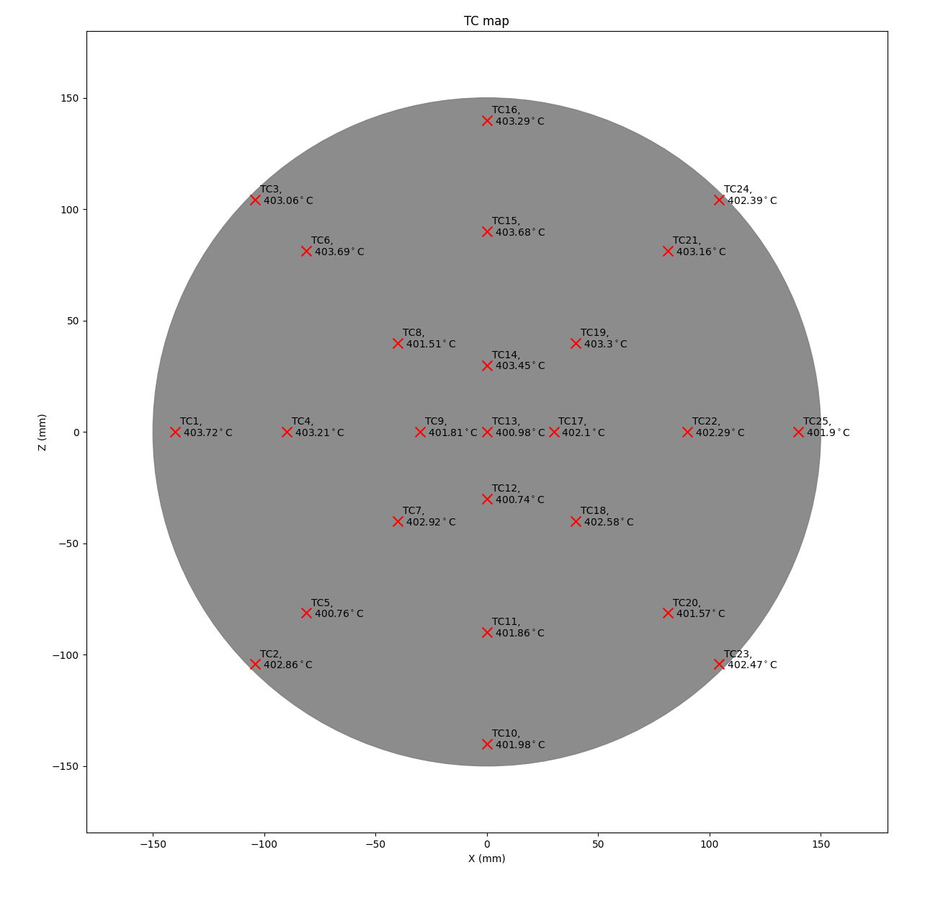
TC1 | TC2 | TC3 | TC4 | TC5 | TC6 | TC7 | TC8 | TC9 | TC10 | TC11 | TC12 | TC13 | TC14 | TC15 | TC16 | TC17 | TC18 | TC19 | TC20 | TC21 | TC22 | TC23 | TC24 | TC25
101 (C) | 102 (C) | 103 (C) | 104 (C) | 105 (C) | 106 (C) | 107 (C) | 108 (C) | 109 (C) | 110 (C) | 111 (C) | 112 (C) | 113 (C) | 201 (C) | 202 (C) | 203 (C) | 204 (C) | 205 (C) | 206 (C) | 207 (C) | 208 (C) | 209 (C) | 210 (C) | 211 (C) | 212 (C)
403.72 | 402.86 | 403.06 | 403.21 | 400.76 | 403.69 | 402.92 | 401.51 | 401.81 | 401.98 | 401.86 | 400.74 | 400.98 | 403.45 | 403.68 | 403.29 | 402.10 | 402.58 | 403.30 | 401.57 | 403.16 | 402.29 | 402.47 | 402.39 | 401.90

average 10
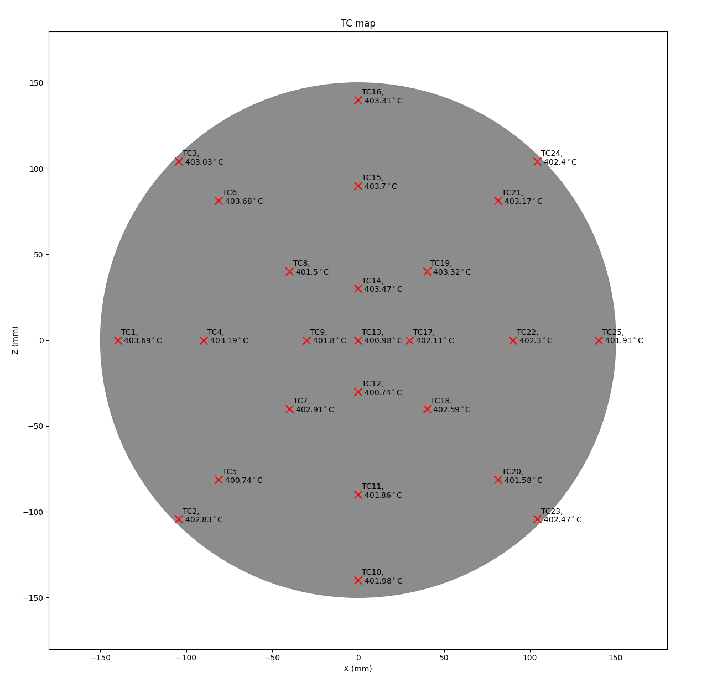
TC1 | TC2 | TC3 | TC4 | TC5 | TC6 | TC7 | TC8 | TC9 | TC10 | TC11 | TC12 | TC13 | TC14 | TC15 | TC16 | TC17 | TC18 | TC19 | TC20 | TC21 | TC22 | TC23 | TC24 | TC25
101 (C) | 102 (C) | 103 (C) | 104 (C) | 105 (C) | 106 (C) | 107 (C) | 108 (C) | 109 (C) | 110 (C) | 111 (C) | 112 (C) | 113 (C) | 201 (C) | 202 (C) | 203 (C) | 204 (C) | 205 (C) | 206 (C) | 207 (C) | 208 (C) | 209 (C) | 210 (C) | 211 (C) | 212 (C)
403.6909 | 402.8333 | 403.0337 | 403.19 | 400.7389 | 403.6751 | 402.9091 | 401.5028 | 401.8049 | 401.983 | 401.8575 | 400.7446 | 400.9845 | 403.4697 | 403.702 | 403.3074 | 402.1092 | 402.5916 | 403.3155 | 401.5809 | 403.1684 | 402.2988 | 402.4747 | 402.4049 | 401.9127

